Data
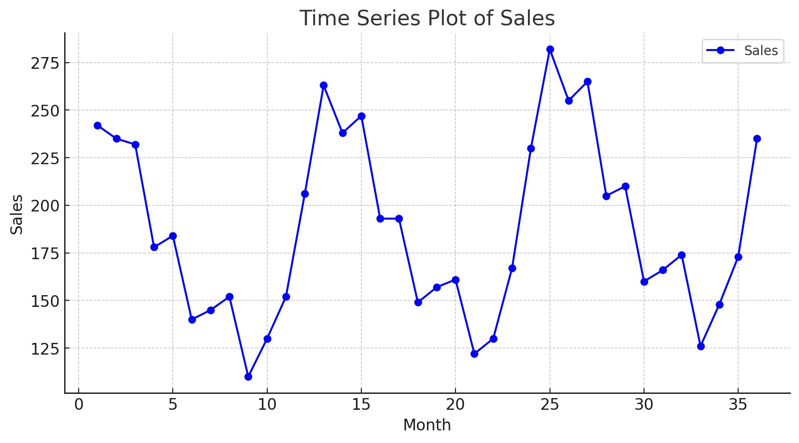
Month | Sales
1 | 242
2 | 235
3 | 232
4 | 178
5 | 184
6 | 140
7 | 145
8 | 152
9 | 110
10 | 130
11 | 152
12 | 206
13 | 263
14 | 238
15 | 247
16 | 193
17 | 193
18 | 149
19 | 157
20 | 161
21 | 122
22 | 130
23 | 167
24 | 230
25 | 282
26 | 255
27 | 265
28 | 205
29 | 210
30 | 160
31 | 166
32 | 174
33 | 126
34 | 148
35 | 173
36 | 235

